FHA Streamline
STREAMLINE REFINANCE WORKSHEET & CHECKLIST

 | EARLIEST CASE NUMBER ASSIGNMENT DATE:
 | ** This section must be completed if the current loan is seasond less than 12 months **

 |  |  | Six payments have been made
 |  |  | Enter the date the sixth payment was made

 |  |  | First day of month following six full months passing from first payment date
 |  |  | Enter the first date of the month following when the sixth payment is due.

 |  |  | 210 days from the closing date
 |  |  | The closing date is found on the refinance authorization.

 | 0 | = | Earliest Case Number Assignment date
 |  |  | The case number assignment date may not be prior to this date.

 | MAXIMUM LOAN AMOUNT CALCULATION:

 |  |  | Original Loan Amount on Existing First Lien

 |  |  | Principal Balance on Existing First Lien

(+) |  |  | Current Interest Due

 |  |  | Loan being paid off has a note dated prior to 1/21/15:

 |  |  | 1 month if the borrower has made the current months' payment, 2 months if the current months' payment has not been made.

 |  |  | Loan being paid off has a note datedon or after 1/21/15:
 |  |  | Add only interest through the funding date

(+) |  |  | Prorated MIP (May only be included if on payoff. Amount used cannot exceed MIP from mortgage statement x # of months)
 |  |  | 1 month if borrower has made the current months’ payment
 |  |  | 2 months if borrower has not made the current months’ payment

(-) |  |  | MIP refund, if Applicable (From Refinance Authorization)
 |  |  | The refund amount can not exceed the new upfront premium. Use the lesser of the two numbers.

(=) | $0.00 |  | Maximum Base Loan Amount (N/O/O properties may only include principal balance less MIP Refund in max base loan amount calculation)

Loan must meet applicable benefit of the three listed below. (i.e. if term is being reduced, reduction in term benefit must be met)

 | .5 % REDUCTION IN COMBINED RATE:

 |  |  | Current interest rate

(+) |  |  | Monthly MIP factor on Existing Loan (From case query) - if previous amount is less than 1%, 0 must be entered before the decimal place (i.e 0.55, not .55)

(=) | 0.00% |  | Total combined rate on existing loan

 |  | - | 0.50% | -0.50% | (Max Combined Rate for New Loan)

 |  |  | 0.55% |  |  | 0.55%
 | New Interest Rate |  | New MIP factor |  |  | New Combined Rate (Must be < to the Max above)

 | REDUCTION IN TERM:

 |  |  | Current interest rate

 |  |  | New Interest rate (may not exceed current interst rate)

 |  |  | Current payment (principal, interest and MIP)

 |  | + | $50.00 | $50.00 | (Max PIMIP for New Loan)

 |  |  | New payment (principal, interest and MIP)

 | FIXED TO ARM OR ARM TO FIXED:
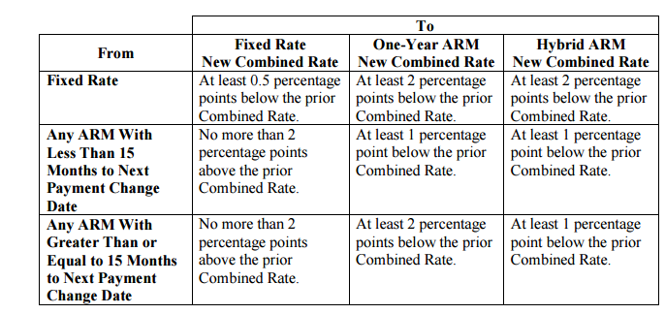

 | ** Plesase note One-Year ARMs are not available **

 | Maximum Loan Term of New Loan

 |  |  | Remaining Term Left on Existing Loan (in Years)
(+) | 12
(=) | 12 |  | Maximum Loan Term of New Loan (in Years)

**Please refer to the FHA Streamline matrix and 4000.1 for additional information**
NON CREDIT QUALIFYING:
 | Do not run AUS |  |  |  |  |  | Mortgage only credit report
 | Max LTV/CLTV no cap
 | Minimum credit score is 580 |  |  |  |  |  | Only mortgages listed on the 1003- no other debts
 | Mortgages seasoned > 12 months:
 | 0x30 in last 6 months |  |  |  |  |  | 2 mo bank statements for cash to close (or reserves)
 | 1x30 in 6-12 months
 | Mortgages seasoned 6-12 months: |  |  |  |  |  | Current Mortgage Statement & Note on existing loan
 | 0x30 for loans entire history
 | Mortgage must be seasoned for at least 6 months |  |  |  |  |  | H/W & Typed 1003 to reflect employment only, no income

 | Credit, Prelim and assets are good for 120 days |  |  |  |  |  | Loan term may not exceed the lesser of 30 years or remaining term
 |  |  |  |  |  |  | the remaining term of original loan plus 12 years

